Sheet1
Style Name | Colour | Quantity | Brand | Picture
Textured Rib Waist Leggings | Black | 268 | PLT
Rib Split Hem Square Neck Long Sleeve Bodycon Dress | Cream | 700 | PLT
Rib Split Hem Square Neck Long Sleeve Bodycon Dress | Cream | 1137 | PLT
Mesh stripe High Neck Extreme Racer Top | Black | 1144 | PLT | 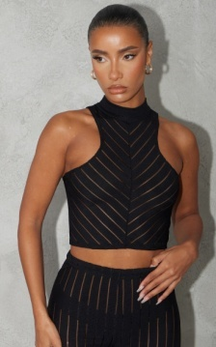
Extreme Racer Neck Ruched Bodycon Dress | Grey Marl | 378 | PLT
Shape Bardot Ruched Front Jumpsuit | Black | 361 | PLT
Shape One Sleeve Jumpsuit | Black | 371 | PLT | 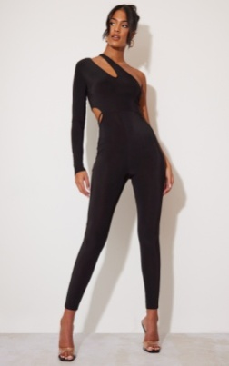
Geo Print Acetate Abstract Slinky Ruched Front Shirt | Brown | 819 | PLT
Acetate Slinky Ruched Front Layered Shirt | Abstract | 958 | PLT
Printed Mesh Micro Bralet | Camel/Red | 408 | PLT | 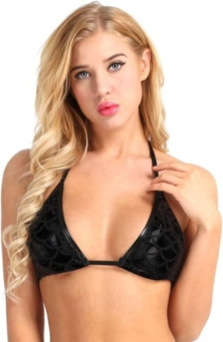
Rib Extreme Racer Neck Bodycon Dress | Khaki | 604 | PLT
Slinky Halter Long Sleeve Bralet | Black/Stone | 700 | PLT
Textured Knot Front Halterneck Bralet | Hot Pink/Blue | 419 | PLT
Knot Side Wrap Over Mini Skirt | Hot Pink/Blue | 412 | PLT
Printed Velvet Ruched Crop Top | Chocolate | 300 | PLT
Abstract Trim Cut Out Long Sleeve Bodycon Dress | Multi | 246 | PLT
Crepe Zebra Print Racer Neck Bodysuit | Cream | 300 | PLT
Rib Button Down Polo Collar Midaxi Dress | Stone | 234 | PLT
Rib Button Down Polo Collar Midaxi Dress | Green | 199 | PLT
Soft Rib Asymetric Hem Crop Top | Stone | 291 | PLT | 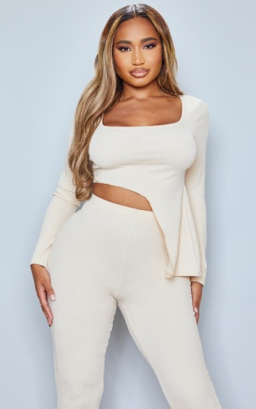
Brushed Rib High Neck Open Back Maxi Dress | Black | 199 | PLT
Taupe Ribbed Stripe Strappy Midaxi Dress | Taupe | 490 | PLT
Basic Solid High wasited Mini Skirt | Black | 200 | BOOHOO | 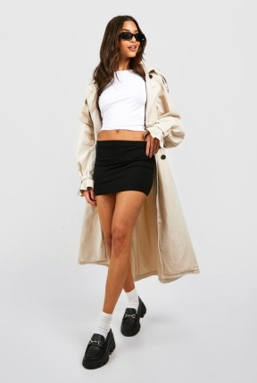
Halter Slinky Crop Top | Silver | 153 | Nasty Gal
Textured Knit Cami Crop Top | Black | 307 | PLT | 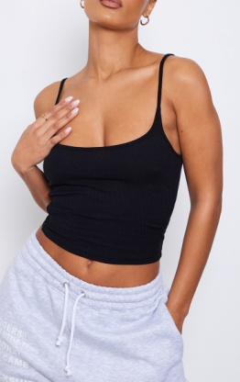
Textured Knit Cami Crop Top | Stone | 256 | PLT | 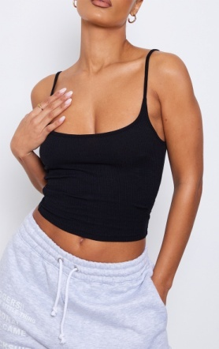
Textured Knit Cami Crop Top | Sage | 328 | PLT
Heavy Rib Button Front Ruched Long Sleeve Crop Top | Oatmeal | 360 | PLT
Black Dobby Mesh Frill Strap Bodysuit | Black | 100 | PLT | 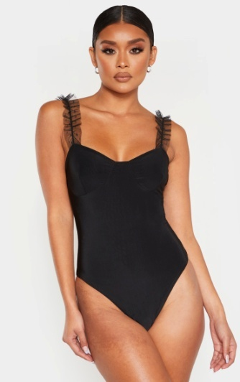
Basic Black Rib V Neck Long Sleeve Crop Top | Black | 1339 | PLT
Textured One Shoulder Crop Top | Black | 168 | PLT | 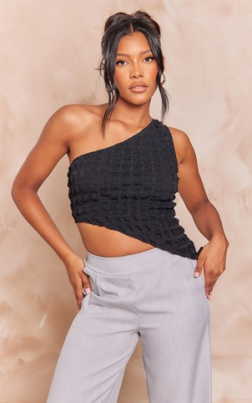
Basic Solid High wasited Mini Skirt | Charcoal | 203 | BOOHOO
PRETTYLITTLETHING Emobriodered Crop Hoodie | Black | 436 | PLT | 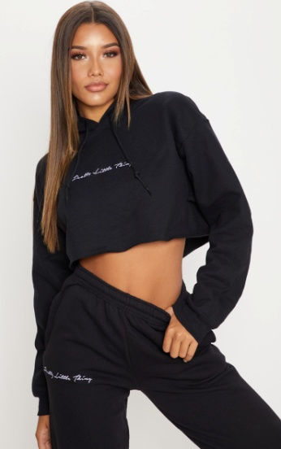
Brushed Rib Side Split Legging | Rust | 117 | PLT
Plus Red Swing Top | Red | 1118 | Yours | 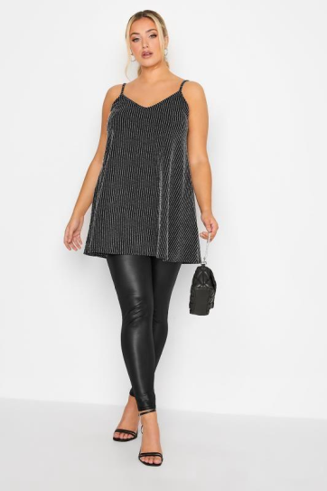
Rust Knot Midi Skirt | Rust | 109 | In The Style | 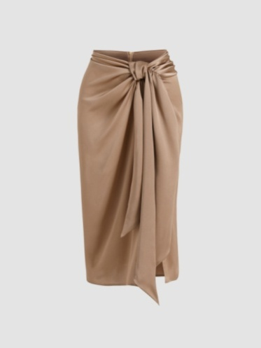
Rust Knot Midi Skirt | Black | 143 | In The Style
Ribbed Vest Top | Grey Marl | 298 | Dorothy Perkins | 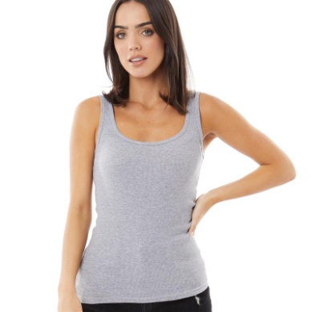
Frill Detail Mesh Sarrong | Black | 600 | Moda Minx
Floral Wrap Dress | Multi | 420 | Missguided | 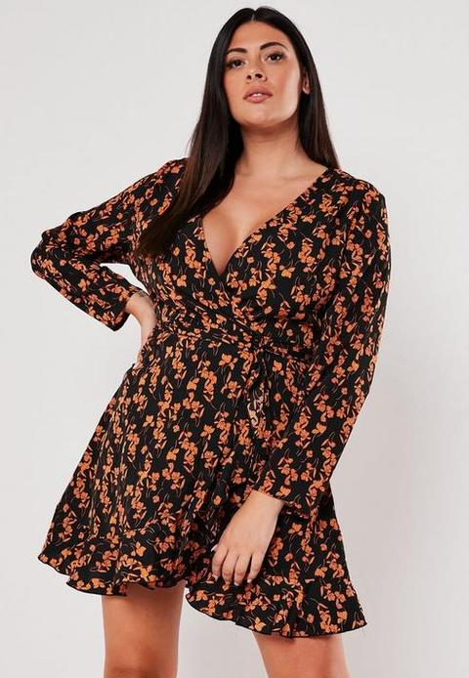
Black Mesh Detail Boydsuit | Black | 400 | BOOHOO | 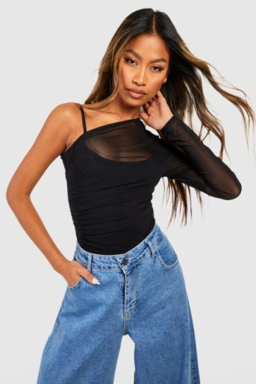
Ribbed Seam Detail Leggings | Sand | 205 | PLT | 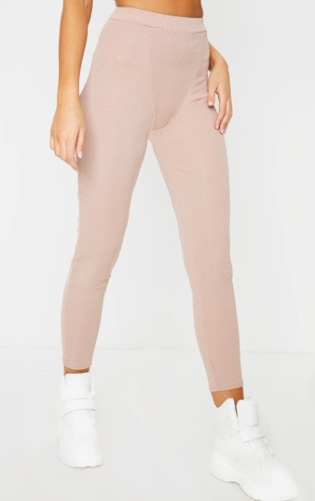
Ribbed Seam Detail Leggings | Stone | 259 | PLT
Green Slinky Multi Strap Ruched Bodycon Dress | Green | 100 | PLT
Lace Detail Slinky Cycling Shorts | Black | 223 | BOOHOO | 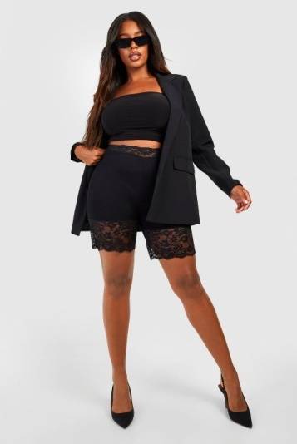
Abstract Print Mesh Ruched Cross Over Bodysuit | Chocolate | 200 | PLT
Maxi Beach Dress | Black | 97 | BOOHOO
Maxi Beach Dress | White | 82 | BOOHOO | 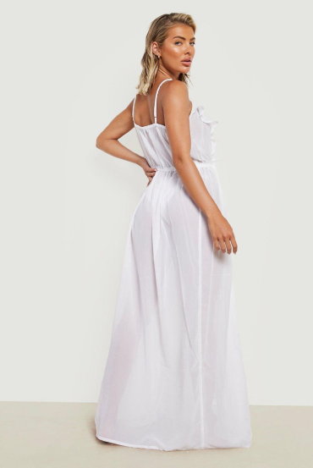
Ribbed Roll Neck Long Sleeve Top | Black | 237 | BOOHOO | 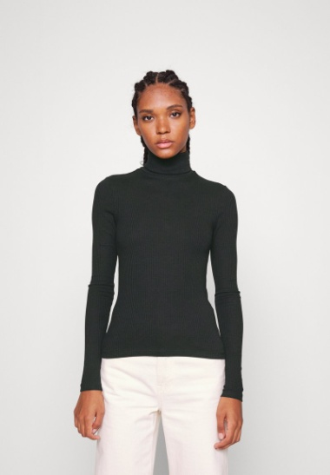
Off The Hook And Eye Puff Sleeve Bodysuit | Black | 708 | Nasty Gal | 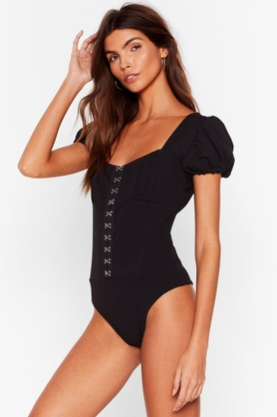
power Flower Split Maxi Dress | Multi | 840 | Nasty Gal | 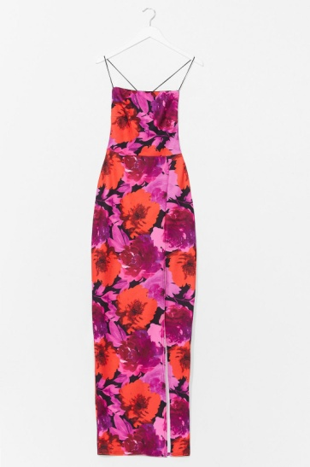
Check Zip Through Pinny Dress | Pink | 141 | Lustre | 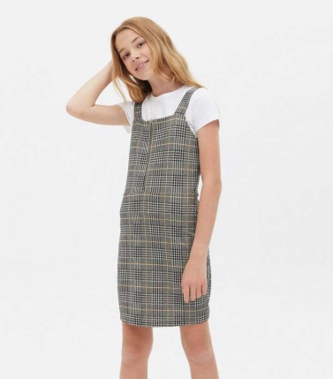
Check Zip Through Pinny Dress | Nude Pink | 351 | BOOHOO
Check Zip Through Pinny Dress | Mint | 60 | Lustre
Check Zip Through Pinny Dress | Grey Check | 61 | Lustre
Lemon Print Polka Tie Front Detail Midi Dress | White | 260 | Lustre
Basic Rib Strappy Unitard | Baby Blue | 167 | I Saw it First
Basic Rib Strappy Unitard | Yellow | 120 | I Saw it First
Mesh Fully Shirred Crop Cami | Black | 91 | Lustre | 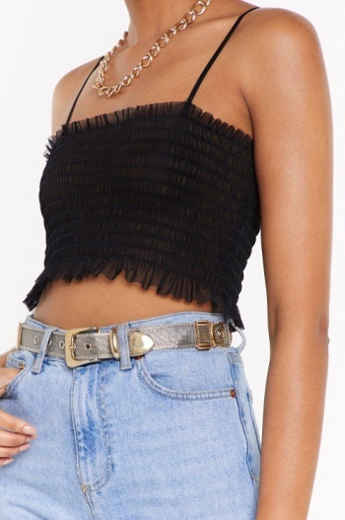
Mesh Fully Shirred Crop Cami | Nude | 135 | Lustre
Mesh Fully Shirred Cap Sleeve Crop | Black | 81 | Nasty Gal | 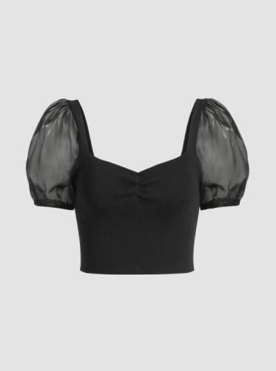
Mesh Fully Shirred Cap Sleeve Crop | Nude | 91 | Nasty Gal
Floral Print Frill Detail Mini Dress | Black | 70 | Lustre
 |  | 22572

